M04
Speaker: M04 | Intelligibility: Very Low | Speech Vision Accuracy: 10.94

Model Name | Layers Frozen | Accuracy | Loss graph | Training accuracy graph
M04_E1.h5 | Encoder 1 | 7 | 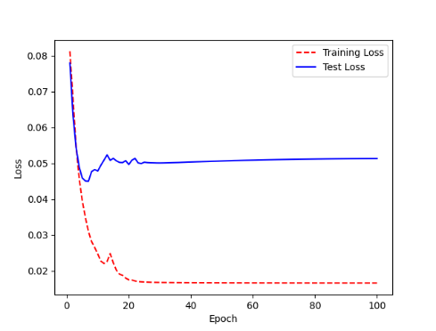 | 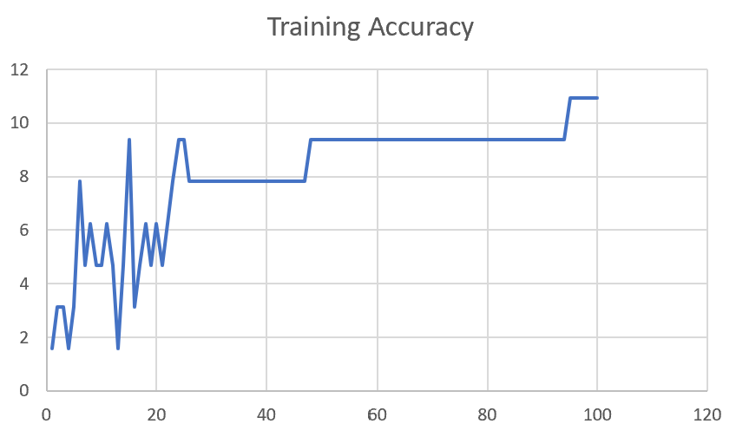

M04_E12.h5 | Encoder 12 | 5 | 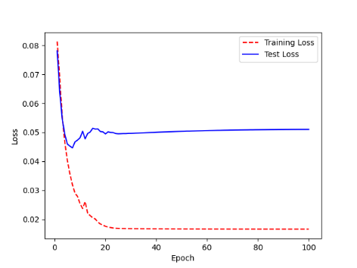 | 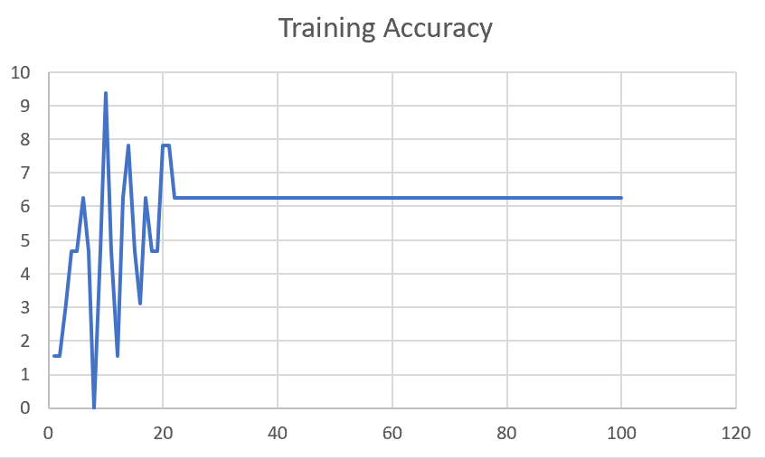

M04_E123 | Encoder 123 | 7 | 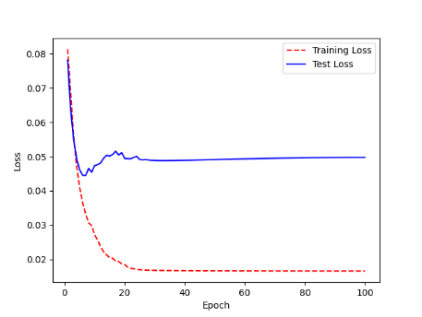 | 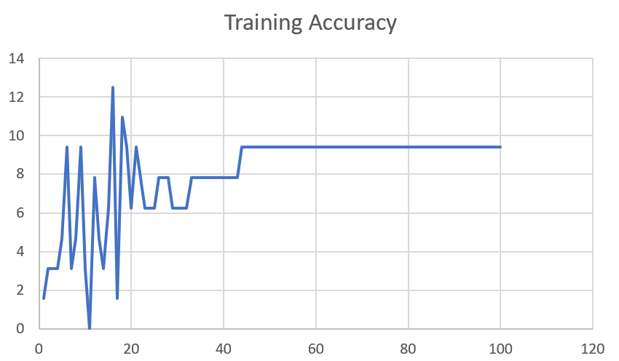

M04_E1234 | Encode 1234 | 6 |  | 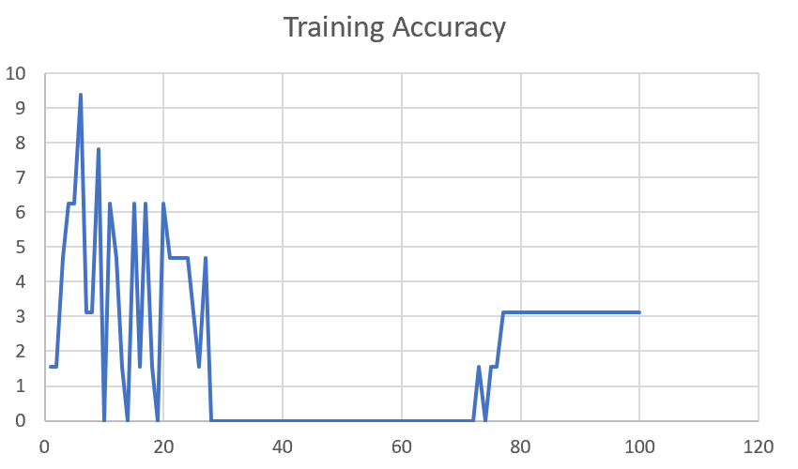

M04_E12345 | Encode 12345 | 6 | 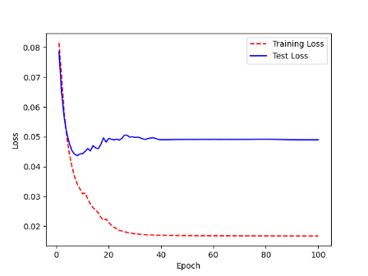 | 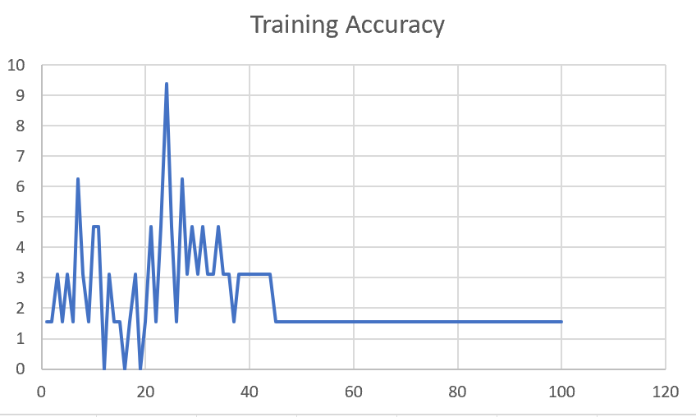

M04_TE | Token Embeddings

M04_T3+D123 | Token Embeddings + Decoder 123

M04_T3+D12 | Token Embeddings + Decoder 12

M04_T3+D1 | Token Embeddings + Decoder 1

F02
Speaker: F02 | Intelligibility: Low | Speech Vision Accuracy: 67.02

Model Name | Layers Frozen | Accuracy | Loss graph | Training accuracy graph
F03_E1.h5 | Encoder 1 | 47 |  | 

F03_E12.h5 | Encoder 12 | 45 |  | 

F03_E123 | Encoder 123 | 47 |  | 

F03_E1234 | Encode 1234 | 43 |  | 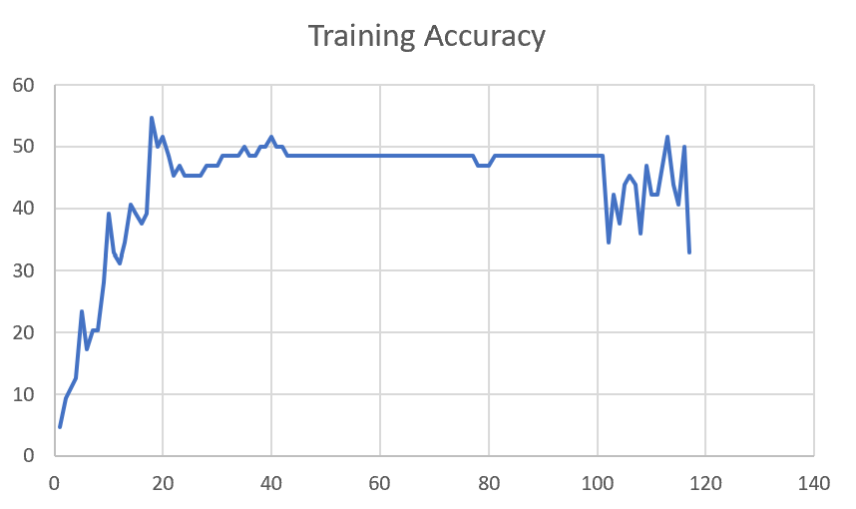

F03_E12345 | Encode 12345 | 41 | 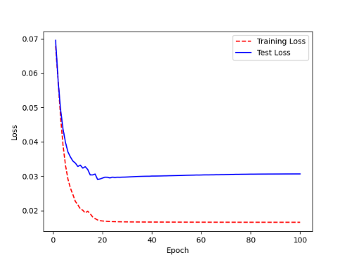 | 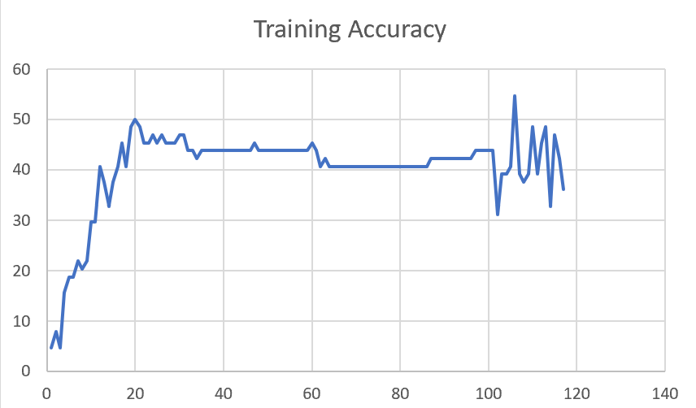

F03_t3 | Token Embeddings | 52 | 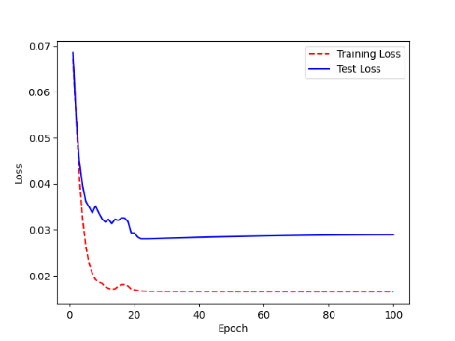 | 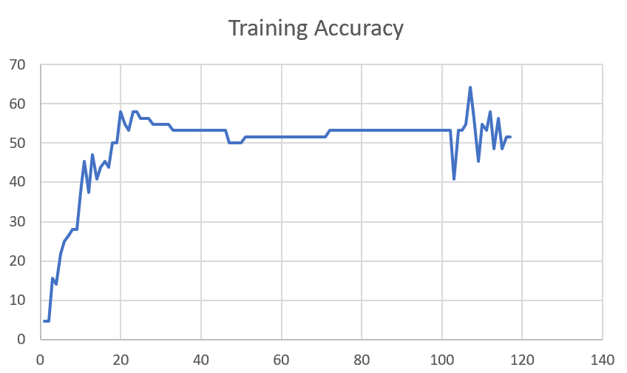

F03_T3+D123 | Token Embeddings + Decoder 123 | 45 | 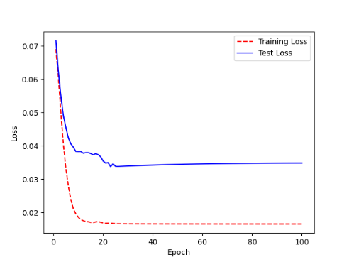 | 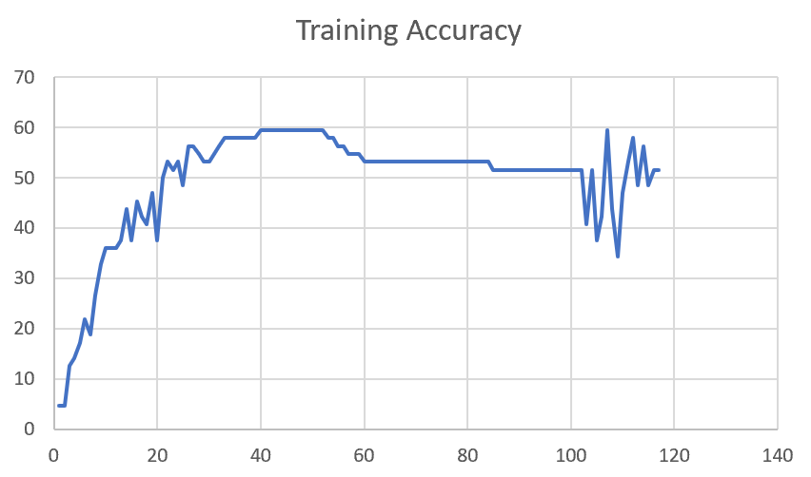

F03_T3+D12 | Token Embeddings + Decoder 12 | 50 | 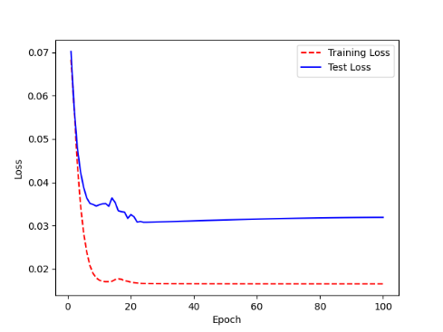 | 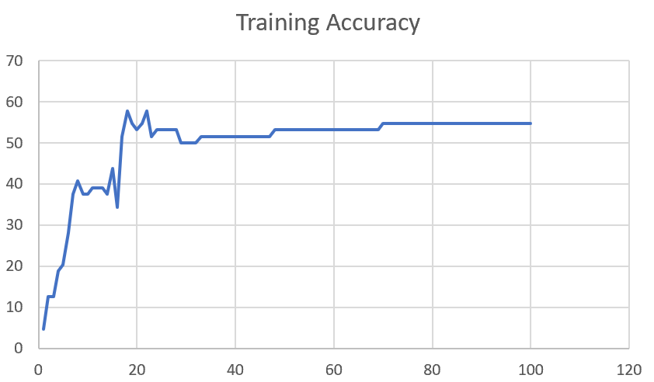

F03_T3+D1 | Token Embeddings + Decoder 1 | 50 | 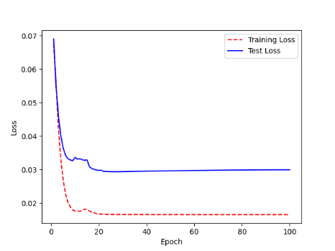 | 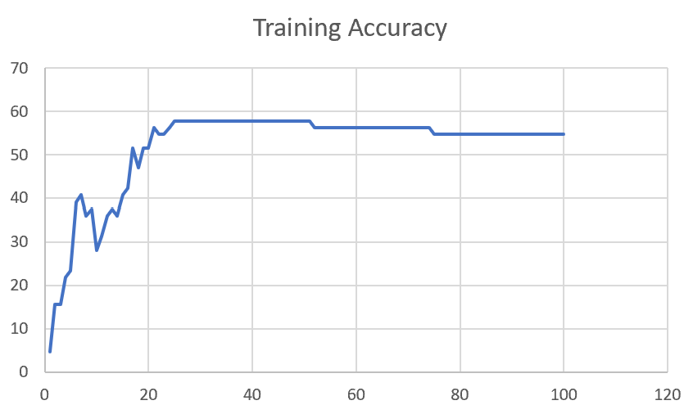

Sheet1
 |  |  | Training Accuracy
0 | 0.984375 | 1 | 1.5625
1 | 0.984375 | 2 | 1.5625
2 | 0.96875 | 3 | 3.125
3 | 0.984375 | 4 | 1.5625
4 | 0.96875 | 5 | 3.125
5 | 0.984375 | 6 | 1.5625
6 | 0.9375 | 7 | 6.25
7 | 0.96875 | 8 | 3.125
8 | 0.984375 | 9 | 1.5625
9 | 0.953125 | 10 | 4.6875
10 | 0.953125 | 11 | 4.6875
11 | 1 | 12 | 0
12 | 0.96875 | 13 | 3.125
13 | 0.984375 | 14 | 1.5625
14 | 0.984375 | 15 | 1.5625
15 | 1 | 16 | 0
16 | 0.984375 | 17 | 1.5625
17 | 0.96875 | 18 | 3.125
18 | 1 | 19 | 0
19 | 0.984375 | 20 | 1.5625
20 | 0.953125 | 21 | 4.6875
21 | 0.984375 | 22 | 1.5625
22 | 0.953125 | 23 | 4.6875
23 | 0.90625 | 24 | 9.375
24 | 0.953125 | 25 | 4.6875
25 | 0.984375 | 26 | 1.5625
26 | 0.9375 | 27 | 6.25
27 | 0.96875 | 28 | 3.125
28 | 0.953125 | 29 | 4.6875
29 | 0.96875 | 30 | 3.125
30 | 0.953125 | 31 | 4.6875
31 | 0.96875 | 32 | 3.125
32 | 0.96875 | 33 | 3.125
33 | 0.953125 | 34 | 4.6875
34 | 0.96875 | 35 | 3.125
35 | 0.96875 | 36 | 3.125
36 | 0.984375 | 37 | 1.5625
37 | 0.96875 | 38 | 3.125
38 | 0.96875 | 39 | 3.125
39 | 0.96875 | 40 | 3.125
40 | 0.96875 | 41 | 3.125
41 | 0.96875 | 42 | 3.125
42 | 0.96875 | 43 | 3.125
43 | 0.96875 | 44 | 3.125
44 | 0.984375 | 45 | 1.5625
45 | 0.984375 | 46 | 1.5625
46 | 0.984375 | 47 | 1.5625
47 | 0.984375 | 48 | 1.5625
48 | 0.984375 | 49 | 1.5625
49 | 0.984375 | 50 | 1.5625
50 | 0.984375 | 51 | 1.5625
51 | 0.984375 | 52 | 1.5625
52 | 0.984375 | 53 | 1.5625
53 | 0.984375 | 54 | 1.5625
54 | 0.984375 | 55 | 1.5625
55 | 0.984375 | 56 | 1.5625
56 | 0.984375 | 57 | 1.5625
57 | 0.984375 | 58 | 1.5625
58 | 0.984375 | 59 | 1.5625
59 | 0.984375 | 60 | 1.5625
60 | 0.984375 | 61 | 1.5625
61 | 0.984375 | 62 | 1.5625
62 | 0.984375 | 63 | 1.5625
63 | 0.984375 | 64 | 1.5625
64 | 0.984375 | 65 | 1.5625
65 | 0.984375 | 66 | 1.5625
66 | 0.984375 | 67 | 1.5625
67 | 0.984375 | 68 | 1.5625
68 | 0.984375 | 69 | 1.5625
69 | 0.984375 | 70 | 1.5625
70 | 0.984375 | 71 | 1.5625
71 | 0.984375 | 72 | 1.5625
72 | 0.984375 | 73 | 1.5625
73 | 0.984375 | 74 | 1.5625
74 | 0.984375 | 75 | 1.5625
75 | 0.984375 | 76 | 1.5625
76 | 0.984375 | 77 | 1.5625
77 | 0.984375 | 78 | 1.5625
78 | 0.984375 | 79 | 1.5625
79 | 0.984375 | 80 | 1.5625
80 | 0.984375 | 81 | 1.5625
81 | 0.984375 | 82 | 1.5625
82 | 0.984375 | 83 | 1.5625
83 | 0.984375 | 84 | 1.5625
84 | 0.984375 | 85 | 1.5625
85 | 0.984375 | 86 | 1.5625
86 | 0.984375 | 87 | 1.5625
87 | 0.984375 | 88 | 1.5625
88 | 0.984375 | 89 | 1.5625
89 | 0.984375 | 90 | 1.5625
90 | 0.984375 | 91 | 1.5625
91 | 0.984375 | 92 | 1.5625
92 | 0.984375 | 93 | 1.5625
93 | 0.984375 | 94 | 1.5625
94 | 0.984375 | 95 | 1.5625
95 | 0.984375 | 96 | 1.5625
96 | 0.984375 | 97 | 1.5625
97 | 0.984375 | 98 | 1.5625
98 | 0.984375 | 99 | 1.5625
99 | 0.984375 | 100 | 1.5625
<__main__.DisplayOutputs object at 0x7efae030a3d0> | 0.984375 | #VALUE! | 1.5625
<__main__.DisplayOutputs object at 0x7efae030a3d0> | 0.9375 | #VALUE! | 6.25
<__main__.DisplayOutputs object at 0x7efae030a3d0> | 0.921875 | #VALUE! | 7.8125
<__main__.DisplayOutputs object at 0x7efae030a3d0> | 0.984375 | #VALUE! | 1.5625
<__main__.DisplayOutputs object at 0x7efae030a3d0> | 0.953125 | #VALUE! | 4.6875
<__main__.DisplayOutputs object at 0x7efae030a3d0> | 0.9375 | #VALUE! | 6.25
<__main__.DisplayOutputs object at 0x7efae030a3d0> | 0.90625 | #VALUE! | 9.375
<__main__.DisplayOutputs object at 0x7efae030a3d0> | 0.9375 | #VALUE! | 6.25
<__main__.DisplayOutputs object at 0x7efae030a3d0> | 0.984375 | #VALUE! | 1.5625
<__main__.DisplayOutputs object at 0x7efae030a3d0> | 0.90625 | #VALUE! | 9.375
<__main__.DisplayOutputs object at 0x7efae030a3d0> | 0.921875 | #VALUE! | 7.8125
<__main__.DisplayOutputs object at 0x7efae030a3d0> | 0.953125 | #VALUE! | 4.6875
<__main__.DisplayOutputs object at 0x7efae030a3d0> | 1 | #VALUE! | 0
<__main__.DisplayOutputs object at 0x7fba881604f0> | 0.53125 | #VALUE! | 46.875
<__main__.DisplayOutputs object at 0x7fba881604f0> | 0.46875 | #VALUE! | 53.125
<__main__.DisplayOutputs object at 0x7fba881604f0> | 0.453125 | #VALUE! | 54.6875
<__main__.DisplayOutputs object at 0x7fba881604f0> | 0.5737704918 | #VALUE! | 42.62295082
<__main__.DisplayOutputs object at 0x7eff3012ee50> | 0.55737704918

